Script
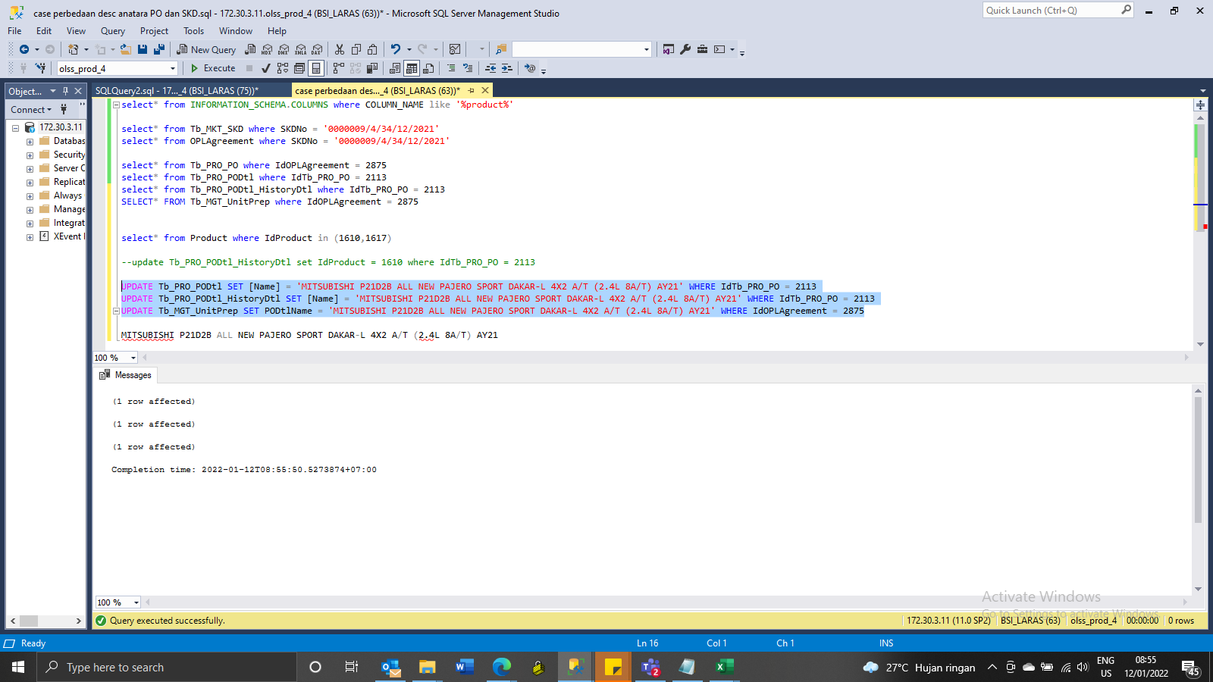
update Tb_PRO_PODtl_HistoryDtl set IdProduct = 1610 where IdTb_PRO_PO = 2113
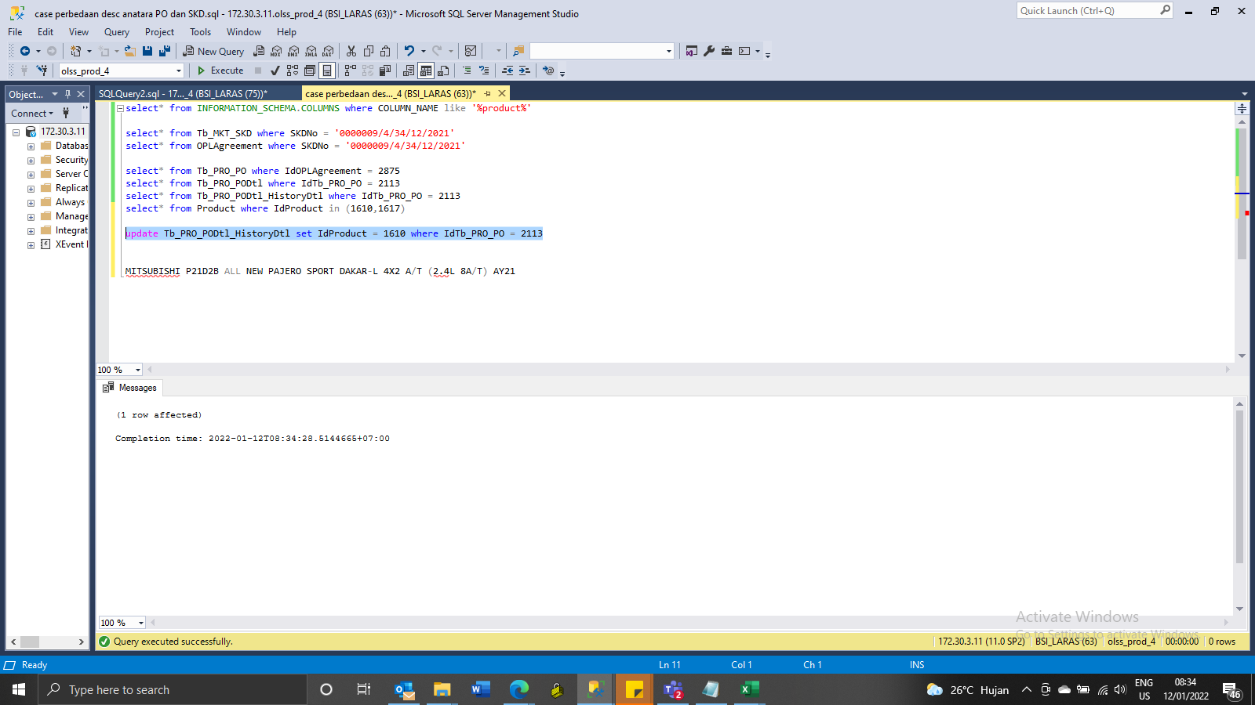

UPDATE Tb_PRO_PODtl SET [Name] = 'MITSUBISHI P21D2B ALL NEW PAJERO SPORT DAKAR-L 4X2 A/T (2.4L 8A/T) AY21' WHERE IdTb_PRO_PO = 2113
UPDATE Tb_PRO_PODtl_HistoryDtl SET [Name] = 'MITSUBISHI P21D2B ALL NEW PAJERO SPORT DAKAR-L 4X2 A/T (2.4L 8A/T) AY21' WHERE IdTb_PRO_PO = 2113
UPDATE Tb_MGT_UnitPrep SET PODtlName = 'MITSUBISHI P21D2B ALL NEW PAJERO SPORT DAKAR-L 4X2 A/T (2.4L 8A/T) AY21' WHERE IdOPLAgreement = 2875

SS
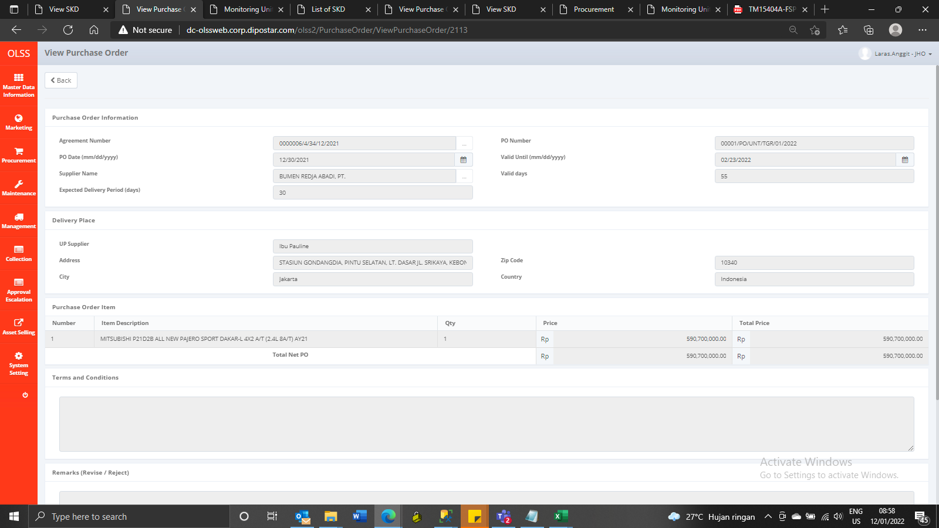
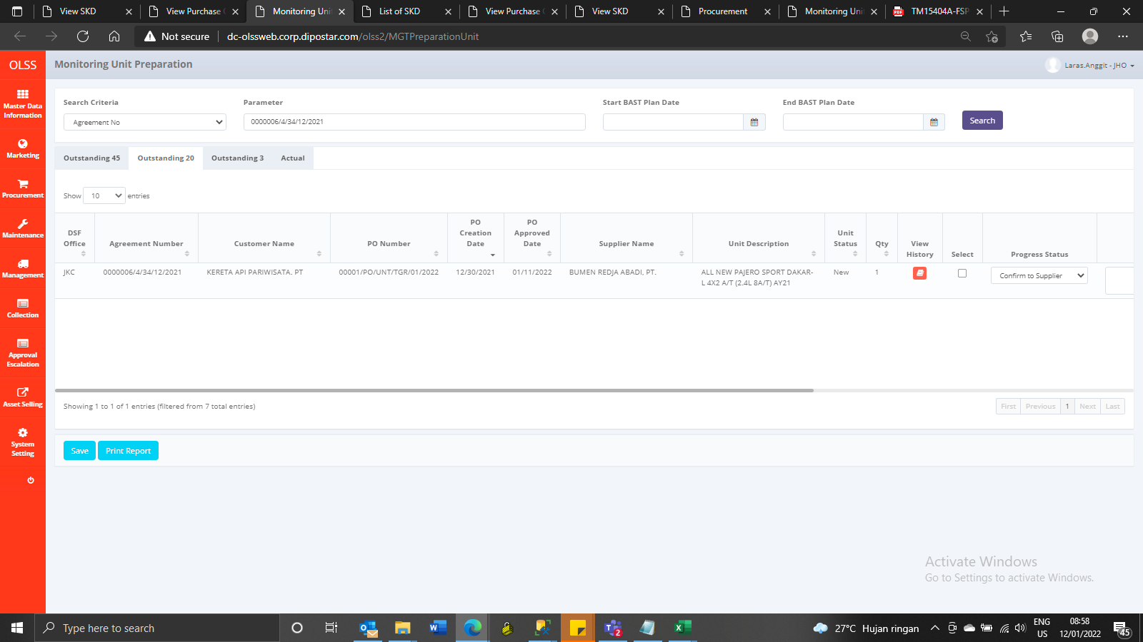
BEFORE

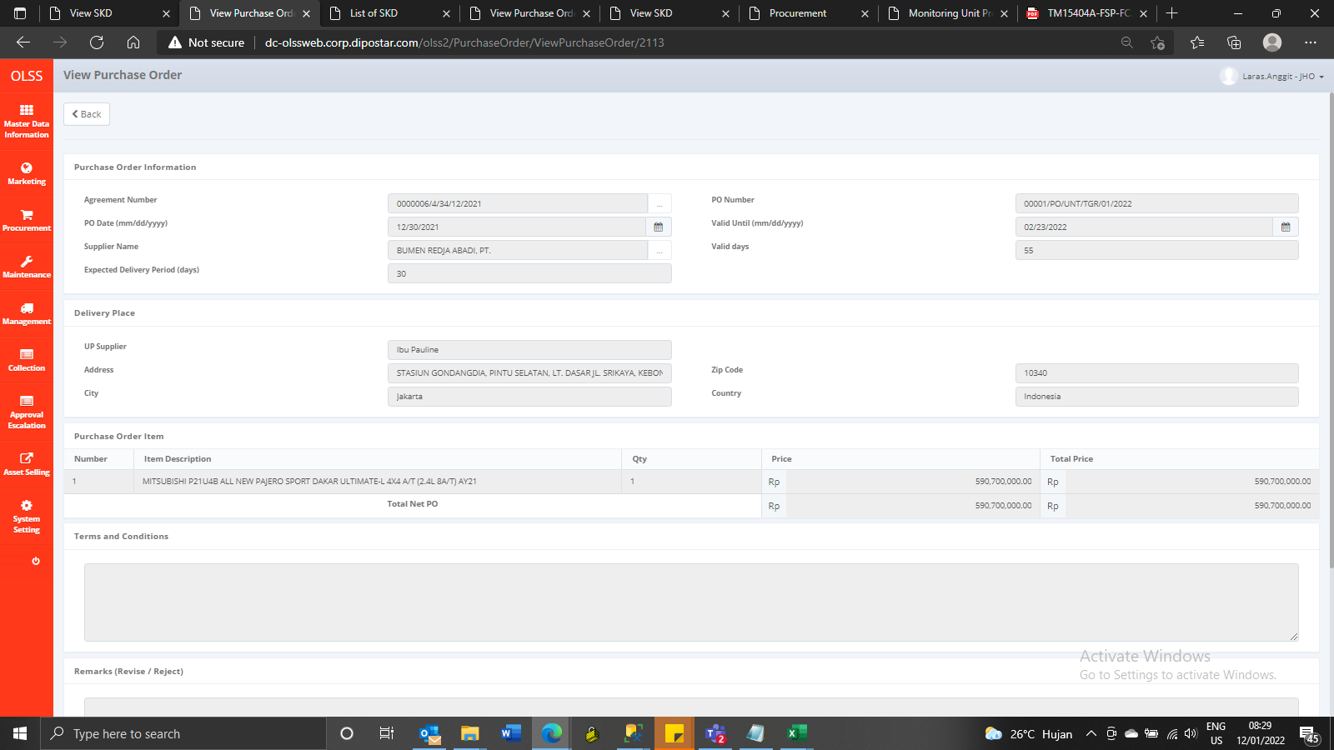


AFTER

